Heuristics
Heuristic | Additional questions related to heuristic | Rate the dashboard on a Likert scale ranging from strong violation <> weak violation <> weak application <> strong application, and qualify with additional details. If the heuristic applies, then describe how. If the heuristic is violated, then describe suggestions, alternatives, fixes to the dashboard to satisfy the heuristic. Add relevant screenshots and visuals.
The dashboard supports specific analytical questions or tasks. | If so, what task does the dashboard support? | Strong Application: This dashboard is answering to the Switzerland's power supply demand till 2050 & showing multiple plans for the extention of the Renewable Energy. How much Energy needs to Import based on the demand & production over the tenure. This dashboard also has the sliders at the bottom left to configure the expansion of photovoltaics, electricity imports and more.
 |  | 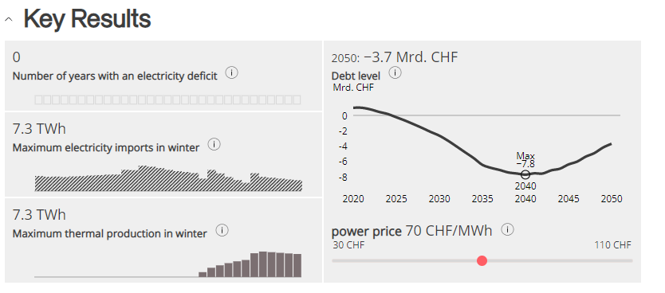
The user should be able to explore the data using the dashboard. | If the user is unable to explore the data, why? | Strong Application: User can easily navigate the dashboard since it contain the information hover button that indicate the meaning or usage of each button so, it makes easy to understand the dashboard parameters
 |  | 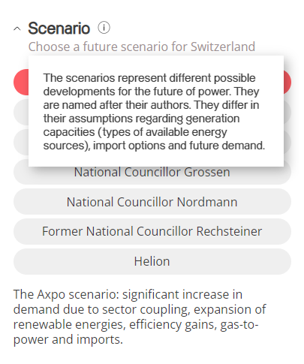
It is clear to the user where they need to start interacting with the dashboard. |  | Weak Application: Since there are mutiple parameters are given to control the chart it is somewhat confusing that where to start giving the parameters.
 |  | 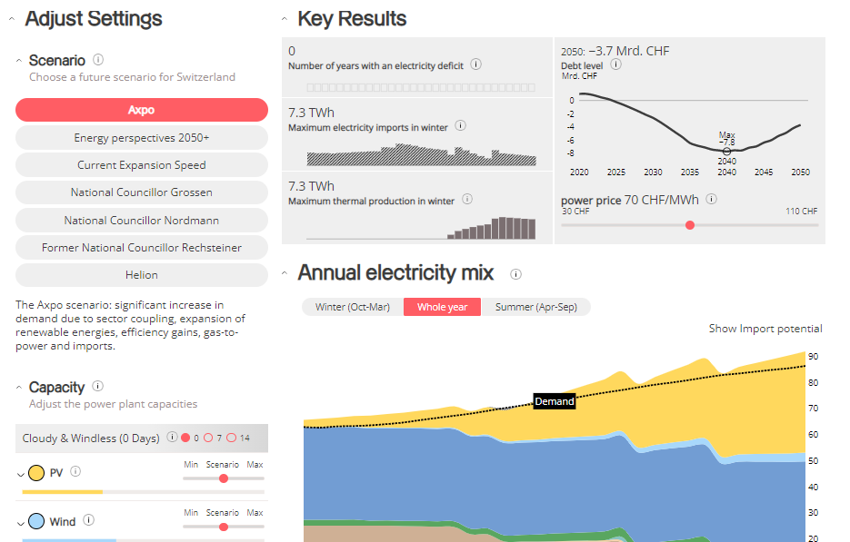
The charts in the dashboard support tasks that represent the overall intended goal to the user. |  | Strong Application: Yes, Desired outcome of the goal is achieved in the current dashboard.
 |  | 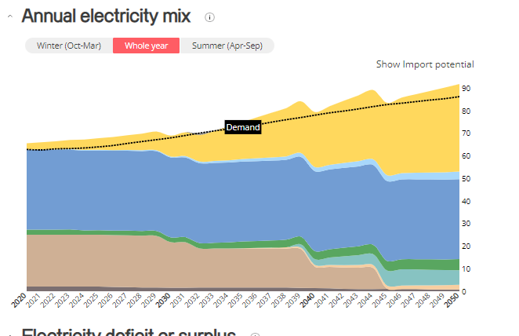
There is a clear reading order within the dashboard and is it logical (e.g., top-down, bottom-up). |  | Strong Application: Yes, Order of seems logical because in the initial phase they have asked for the scenario which needs to be find and then additional parameters of the various energy form is given to adjust.
 |  | 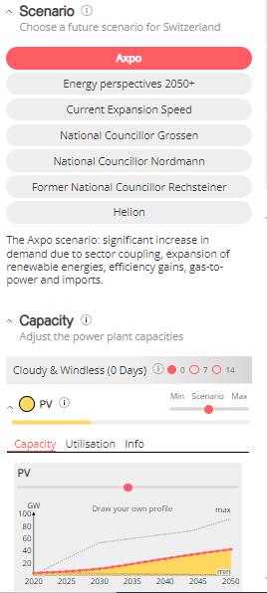
The text in the dashboard is legible, easy to read, and useful. The different parts of the chart (e.g. titles, captions, or narration) are well-described. |  | Strong Application: All labels are written properly and narrations are also provided

The charts in the dashboard clearly identify, compare, or summarize a particular aspect of the data. |  | Weak Appllication: Since given chart is having ploted one above another variable & not having common baseline for each variable so I find it little bit difficult to get the change over any period.

The layout, placement of charts, and the flow in the visualization should be easy to follow. |  | Weak Application: If Annual Electricity Mix can be first then it would be easy to get the mixture & below that overall surplus or deficient of electricity.

The visual systems in place (e.g., a consistent font and color brand) provide guidance in understanding the analysis. |  | Strong Application: Yes consistency is maintained in the visual systems. Dashboard have the same font and color encoding for the consistency.

There is a clear and consistent visual style for elements such as titles, axes, and colors. |  | Weak Application: legend & axis label is not present in the graph. Color encoding is done.

The conventions used in the dashboard such as icons are easy to understand for the user. |  | Strong Application: Icons are easily interpretable & it is encoded with the color & size to represent the attribute.
 |  | 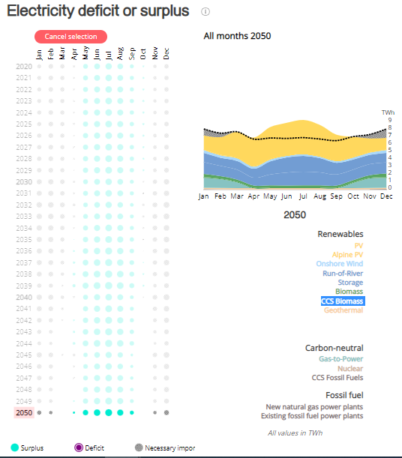
There are consistent rules for the formatting of elements such as gridlines, borders, and supporting ink elements. |  | Strong Application: Same formatting is used through the dashboard even in sub graphs so, consistency is maintained.

The dashboard should disclose any biases. These can include the author's personal biases, design biases, and/or biases in the data. |  | I don’t know
The dashboard should communicate where the data came from, and what steps were taken to prepare the data. |  | Strong Application: All information is provided at the bottom of the dashboard in detail about the steps and assumptions taken to make the dashboard.
 |  | 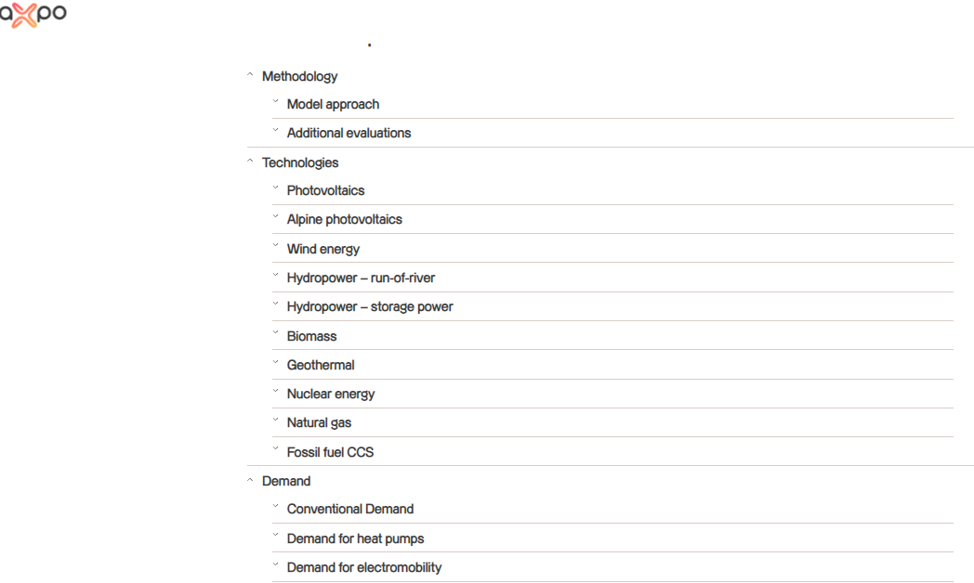 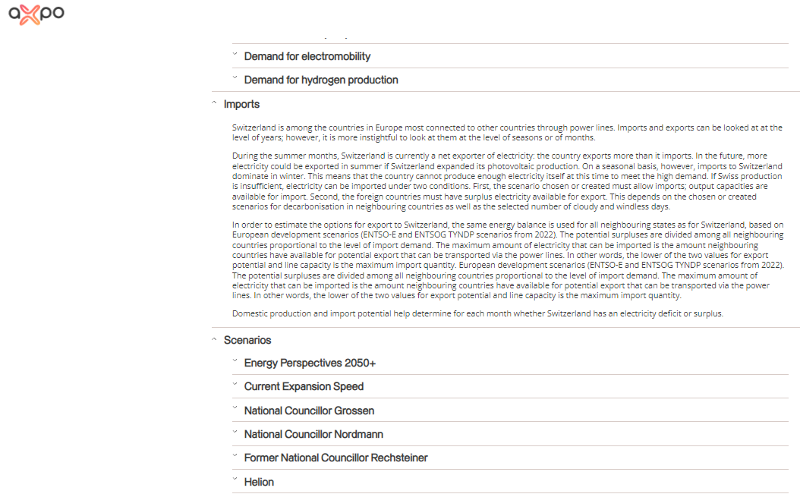
Charts within the dashboard are at the appropriate level of detail to convey the intended message. | If not, what can be done to change the dashboard to an appropriate level of detail? | Strong Application: Yes appropriate level of details are covered

There is a clear presentation of context, theme, and detail as part of the analytical exploration with the dashboard. |  | Strong Application: Main dashboard is made & sub illustrations are also there for each energy form.
 |  | 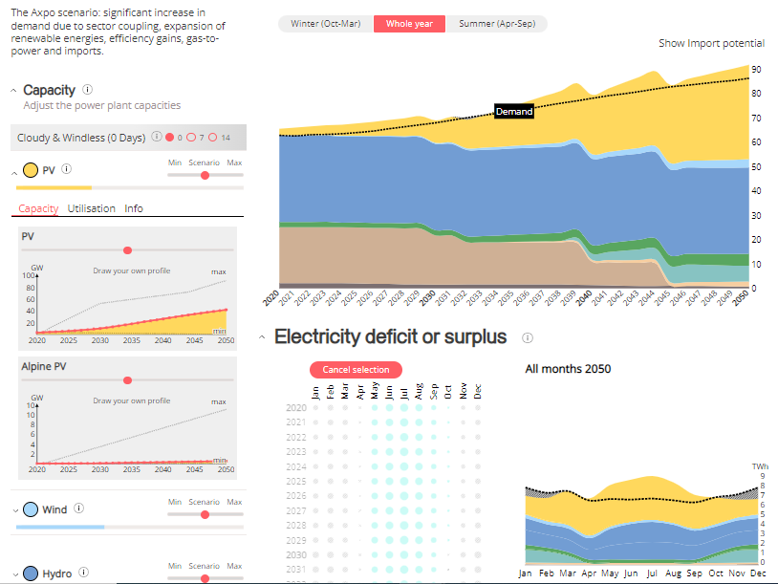
The dashboard employs visual symbols and iconography to add meaning to the data being presented or help support the intended message. | If no, are there opportunities to do so? | Weak Application: Types of energy are encoded by color but not used any icons

If there are icons and symbols in the dashboard, the semantics of their placement and appearance are helpful to communicate patterns in the data. (e.g., changing a plane icon’s location and direction for arrival vs. departure) |  | Strong Violation: It is not present in the given dashboard
The iconography supports or potentially replaces repetitive text directives. | If not, are there opportunities to do so? | Strong Violation: It is not present in the given dashboard; Different energy can be encode with relevant icon for better visualization.
Concepts or metrics (e.g., date formats , time, currency, measurement) are either easily understandable or clearly defined in the dashboard. |  | Strong Application: Yes

There is sufficient contextual information that describes what the dashboard is about. |  | Strong Application: There is sufficient narration is provided at each information to understand the context
 |  | 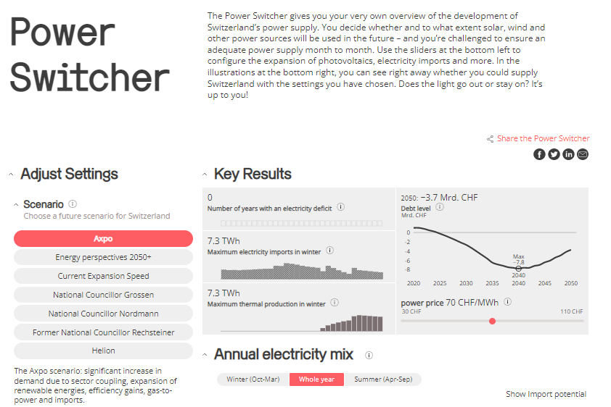
The charts within the dashboard make sense as an overall composition to help situate or contextualize the user. |  | Strong Application: Charts within dashboard shows individual capacity of production with respect to the year. Sub figure is also helpful in considering each parameter individually

The text in the dashboard should emphasize the most salient points of what the visuals in the dashboard convey. |  | Strong Application: Yes text is emphasize on the key parameters of the dashboard

The dashboard communicates a certain style or mood to the user. |  | I don't know
The dashboard is interactive and supports the user in completing a new analytical task or starting a new line of inquiry. | Are there interactions that could be added or improved to enhance the experience? | Strong Application: They have already deep dive into the each energy and show the illustration about each energy production & import graph in detail.
 |  | 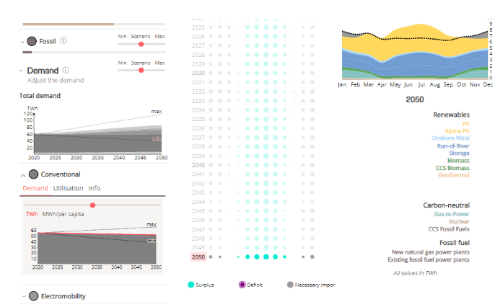
Tasks in the dashboard should be achieved with minimal friction. | Is anything difficult to understand or interact with in the dashboard? | Strong Application: No difficulty as such faced to going through dashboard
When a user interacts with the dashboard, the dashboard should guide the user with their next step. |  | Strong violation: User is not getting guiding to any next process or cell. There is only situation button where we can select the situtation relvant other parameter adjust and we can change the other parameter from min to max. No other filter are available where it can guide to next step.
The dashboard should update its view based on what is selected, highlighted or filtered by the user. |  | Strong Application: Selected data are populating properly as per the selection.
 |  | 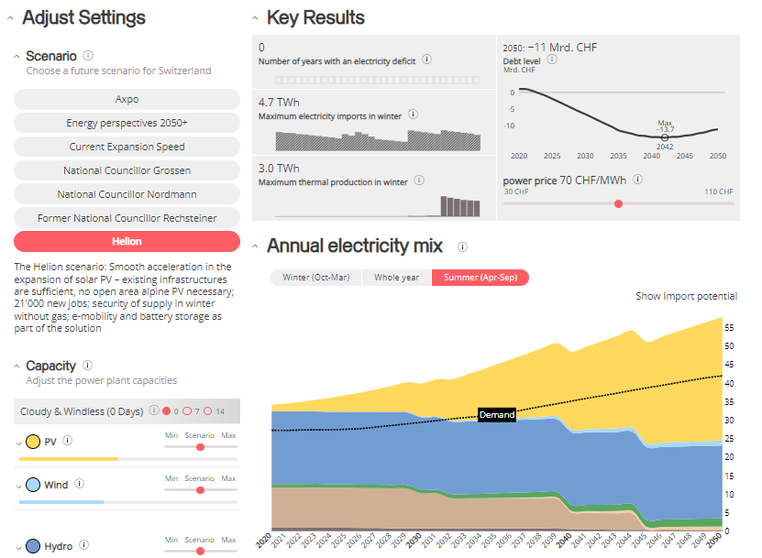
There are text and visual elements to frame or guide salient information. |  | I didn’t get the question in the given dashboard context
There is a clear path and breadcrumbs for user actions within the dashboard. |  | I don’t know
There are clear strategies employed in the dashboard to mark charts or marks more prominently than others to encourage a user to interact with them, as well as de-emphasize items not relevant to the conversation. |  | Strong Application: There are Higher level encoding are provided and for more detailing additional relevant sub illustrations are

Functional dead end: The dashboard should not freeze, crash, display errors, or otherwise unexpectedly interrupt the user. |  | Strong Application: I have tried all functions and it is neither crashing nor producing the error data fir dashboard.
Navigational dead end: The dashboard support interactivity (e.g., filters, search) to help a user navigate between different snapshots of the data being presented. | Are there places where a user could get stuck in this process? | Strong Application: There is No navigational dead end in the given dashboard, all filter works well
The dashboard should support input modalities (e.g., natural language interaction, filter widgets, and / or clicks) to answer any analytical question or task. |  | Strong Application: Main Illustration provide the amount of Energy produce in that particular year as well as detail illustration are functioning very well.
 |  | 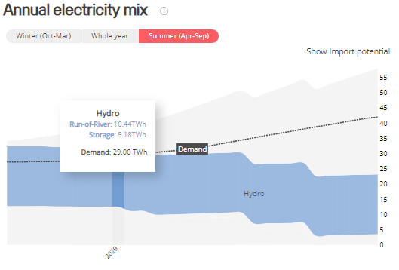
The user can set or adjust their own definition of concepts or metrics, or otherwise include their own knowledge into the dashboard. (e.g., if a user is interested only in "tall" people, can they set their own definition of "tall") |  | Strong Violation: There is no provision for defining own definition of concept in the given dashboard.
There should be a clear takeaway from the dashboard. |  | Strong Application: Takeaway for the mentioned question can be interpreted easily
The dashboard should not contain any information that distracts from the key takeaway. | If not, what could be done to make the takeaway clearer? | Strong Application: Since Dashboard is having required & necessary information so,all information is necessary in the given dashboard

The conclusions match what the charts in the dashboard show. |  | Strong Application: Conclusion matches with the dashboard illustrations

There is adequate evidence that the dashboard is truthful. The dashboard should be able to convince the key takeaway through credibility and trustworthiness (e.g. ethos appeal). |  | Strong Application: Given Dashboard has high level result in main result board and yearwise details are provided in the below graph as well as month wise distribution & import requirement is showcased in below graph with all necessary details.& Data calculation are refered in the bottom of the dashboard with all information.

